Sheet1
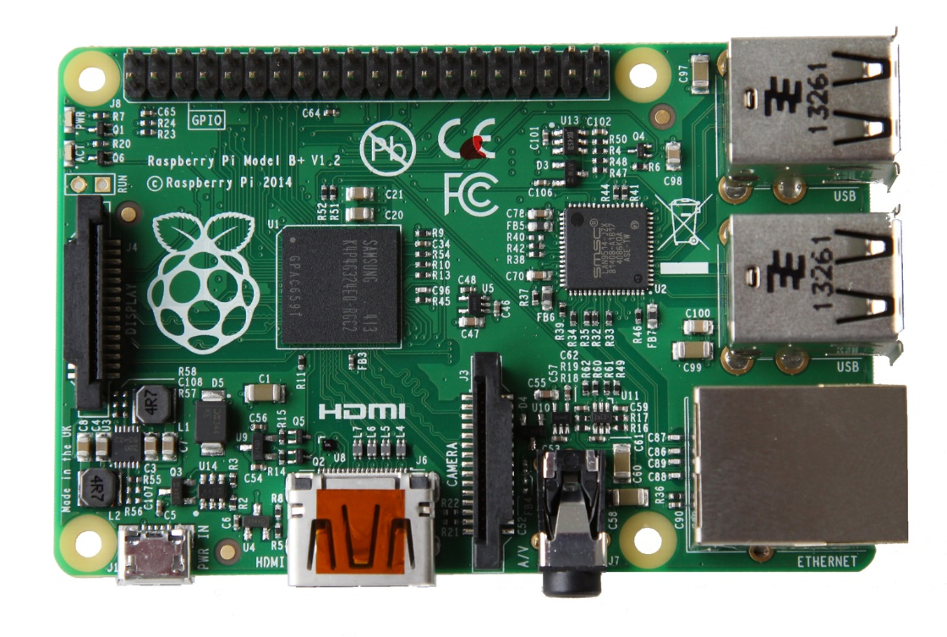
Raspberry Pi 3
Use 2 | Use 1 | Pin |  | Use 1 | Use 2
VDD 3.3V |  | 1 | 2 | VDD 5V
1_SDA | 2 | 3 | 4 | VDD 5V
1_SCL | 3 | 5 | 6 | DGND
 | 4 | 7 | 8 | 0_TX
DGND |  | 9 | 10 | 0_RX
 | 17 | 11 | 12 | 18
 | 27 | 13 | 14 | DGND
 | 22 | 15 | 16 | 23
VDD 3.3V |  | 17 | 18 | 24
0_MOSI | 10 | 19 | 20 | DGND
0_MISO | 9 | 21 | 22 | 25
0_CLK | 11 | 23 | 24 | 8 | 0_CS0
DGND |  | 25 | 26 | 7 | 0_CS1
Reserved |  | 27 | 28 | Reserved
 | 5 | 29 | 30 | DGND
 | 6 | 31 | 32 | 12
 | 13 | 33 | 34 | DGND
1_MISO | 19 | 35 | 36 | 16 | 1_CS0
 | 26 | 37 | 38 | 20 | 1_MOSI
DGND |  | 39 | 40 | 21 | 1_CLK

 |  | GPIO | UART | SPI | I2C | System/Power

